Plan
Model building | Work | Method | Quantity (estimation) | Sample image 1 | Sample image 2 | Time estimation
 | Dataset preparation | Taking picture by webcam/mobile Labelling by putting the image in the subfolder | 7200 (1200 pics for each class) | 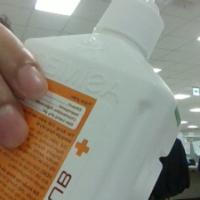 |  | 12 days
 | Model training | TBD | TBD |  |  | 12 days
 | Model testing + improving | Classification in real-time web cam by openCV | 600 (100 for each class) | 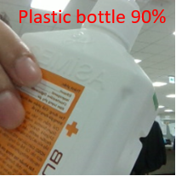 | 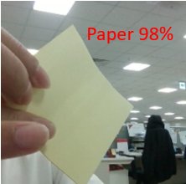 | 12 days
Physical trash can | Design the trash-can | Outsourse | 1 |  |  | 12 days
 | Design the main board to open the trash can | Arduino program | 1 |  |  | 12 days

